Sheet1
Category | Type | Logos, Symbols and Icons required | Available in TAB (Asset Thumbnail) | Associated Claim | Resolution and File Type | Asset ID | Comments
Refreshment | Other symbols |  | 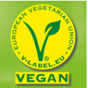 | Vegan | 3000 x 3000 pixels, 300 pixels/inch, sRGB : 8-bit, LZW, sRGB IEC61966-2.1 .TIFF | 1063727 | with Green background instead of yellow. Can be converted to JPG or PNG
 |  | 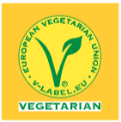 | 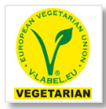 | Vegetarian | 271 x 317 pixels, 300 pixels/inch, sRGB : 8-bit, LZW, sRGB IEC61966-2.1 TIFF | 1725308 | Can be converted to JPG or PNG
 |  |  | 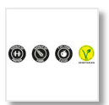 | Ignore this for now. High Protein, Gluten Free | 1290 x 277 pixels, 300 pixels/inch, sRGB : 8-bit, LZW, sRGB IEC61966-2.1 TIFF | 1606002 | There is a small icon in this asset looking similar. Other assets on TAB don't have VEGETARIAN written in English.
 |  |  | Not Found | Not suitable for children under 3
 |  |  | Not Found | N/A
 |  |  | Not Found | Green dot logo
 |  |  | Not Found | Tidyman/Tidy man logo
 | Examples only. Details not to be checked by local deploy. | 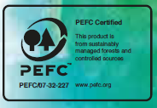 | 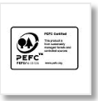 | PEFC logo/PEFC certified logo (the numbers will be different every time (per product)) | Adobe PDF document, 1 page, 1.44 by 0.98 inches | 1984496 | Code on asset is different and it is a PDF. There are more assets on TAB but then with French text.
 |  |  | Not Found | PEFC logo/PEFC certified logo (the numbers will be different every time (per product))
 |  |  | 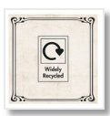 | OPRL logo - recycled/not recycled/check locally/not yet recycled | 5000 x 5000 pixels, 300 pixels/inch, sRGB : 8-bit, LZW, TIFF Adobe RGB (1998) | 1777483 | Can be converted to JPG or PNG
 |  |  | 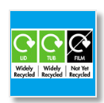 | OPRL logo - recycled/not recycled/check locally/not yet recycled | 823 x 507 pixels, 300 pixels/inch, sRGB : 8-bit, LZW TIFF | 2045653 | Can be converted to JPG or PNG
 | OPRL logos |  |  | OPRL logo - recycled/not recycled/check locally/not yet recycled | 5000 x 5000 pixels, 300 pixels/inch, sRGB : 8-bit, LZW, Adobe RGB (1998) TIFF 5000 x 5000 pixels, 300 pixels/inch, sRGB : 8-bit, LZW, eciRGB v2 TIFF 5000 x 5000 pixels, 300 pixels/inch, sRGB : 8-bit, LZW, Adobe RGB (1998) TIFF | 1857399 1774680 1860400 | Can be converted to JPG or PNG
 | Rainforest alliance logo |  | 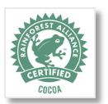 | RFA certified/RFA logo the word under will change e.g. cocoa/vanilla/etc | 5000 x 5000 pixels, 300 pixels/inch, sRGB : 8-bit, LZW, sRGB IEC61966-2.1 TIFF | 1152937 | Can be converted to JPG or PNG
 |  |  |  | RFA certified/RFA logo the word under will change e.g. cocoa/vanilla/etc | 3000 x 3000 pixels, 300 pixels/inch, sRGB : 8-bit, LZW, sRGB IEC61966-2.1 | 700072 | Can be converted to JPG or PNG
 |  | 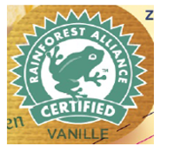 |  | RFA certified/RFA logo the word under will change e.g. cocoa/vanilla/etc | 3000 x 3000 pixels, 300 pixels/inch, sRGB : 8-bit, LZW TIFF | 1186030 | Can be converted to JPG or PNG
 |  |  | 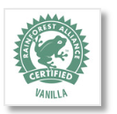 | RFA certified/RFA logo the word under will change e.g. cocoa/vanilla/etc | 4650 x 5000 pixels, 300 pixels/inch, sRGB : 8-bit, LZW, sRGB.icc tiff | 1979326 | Can be converted to JPG or PNG
 |  | Logo rainforest with no text which might be useful |  | RFA certified/RFA logo the word under will change e.g. cocoa/vanilla/etc | 5000 x 5000 pixels, 300 pixels/inch, sRGB : 8-bit, LZW TIFF | 1700726 | Can be converted to JPG or PNG
 |  |  |  | RFA certified/RFA logo the word under will change e.g. cocoa/vanilla/etc | 1000 x 1000 pixels, 300 pixels/inch, sRGB : 8-bit, JPEG | 1233132
 |  |  | Not Found | Mobius loop
 |  | 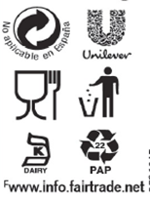 | 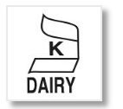 | Kosher/Kosher certified | 5000 x 5000 pixels, 72 pixels/inch., RGB : PNG | 1203259 | Less than 254 dpi
 |  |  |  | Unilever U N/A | 116 x 128 pixels, 72.009 pixels/inch., RGB : PNG | 1756942 | Less than 254 dpi
 |  |  | 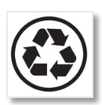 | Mobius loop | 5000 x 5000 pixels, 300 pixels/inch, sRGB : 8-bit, LZW, sRGB.icc TIFF | 1203259
 | For Ben & Jerry's products | 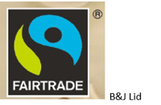 | 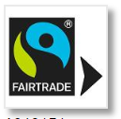 | Fairtrade/fair trade | 696 x 585 pixels, 299.999 pixels/inch., RGB : PNG | 1843656
 |  |  |  | Caring Dairy | 3000 x 3000 pixels, 299.999 pixels/inch., RGB : PNG | 951769
 |  | 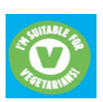 | Not Found | (only for B&J and UFS), Suitable for Vegetarians
 |  |  | Not Found | Halal/Halal certified/Halal logo
 |  |  | Not Found | Free range eggs
 |  | 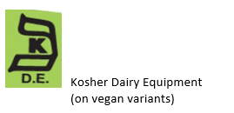 |  | Kosher/Kosher certified | 500 x 500 pixels, 72 pixels/inch, sRGB : 8-bit, LZW TIFF | 1932404 | Less than 254 dpi
 |  |  |  | Kosher/Kosher certified | 457 x 614 pixels, 59 pixels/cm, sRGB : 8-bit, JPEG, sRGB IEC61966-2.1 | 949916 | Less than 254 dpi
 |  |  |  | Kosher/Kosher certified | 3000 x 3000 pixels, 300 pixels/inch, sRGB : 8-bit, LZW, sRGB.icc TIFF | 782011
 |  |  |  | Kosher/Kosher certified | 5000 x 5000 pixels, 72 pixels/inch., RGB : PNG | 1203259 | Less than 254 dpi
 |  | 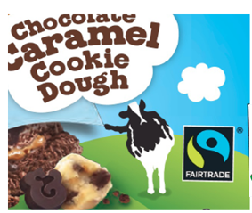 | 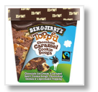 | Fairtrade/fair trade | 490 x 500 pixels, 300 pixels/inch, sRGB : 8-bit, LZW, sRGB IEC61966-2.1 TIFF | 1150820
 | Responsibly made for Kids' logo | 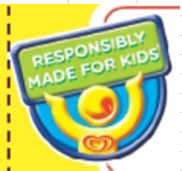 | 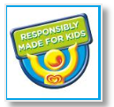 | Responsibly made for kids/RMFK | 875 x 792 pixels, 72.009 pixels/inch., RGB : PNG | 1147213 | Less than 254 dpi
Foods | Icons |  | 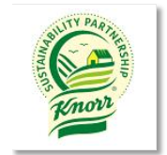 | Knorr sustainability logo | 862 x 1027, 72 dpi, PNG, RGB | 92942
 |  |  |  | Knorr sustainability logo | 407 x 600 pixels, 72 dpi, PNG, RGB | 92990
 |  |  |  | Organic (the code and number will be different per product) | 10417 x 10417 pixels, 150 dpi, PNG, RGB | 2135923 | Does not say 'EU Agriculture' underneath it
 |  | 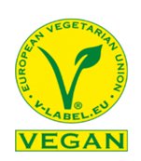 |  | Vegan | 225x225 pixels, sRGB, JPEG | 1650305 | 1650305 does not have 'VEGAN' or 'VEGETARIAN' underneath it.
 |  |  |  | Vegan | 3000 x 3000 pixels, 300 pixels/inch, sRGB : 8-bit, LZW, sRGB IEC61966-2.1 .TIFF | 1063727 | with Green background instead of yellow. Can be converted to JPG or PNG
 |  |  |  | Vegetarian | 271 X 317, 300 DPI, Srgb, TIFF | 1725308 | Can be converted to JPG or PNG

